Agile Risk Register
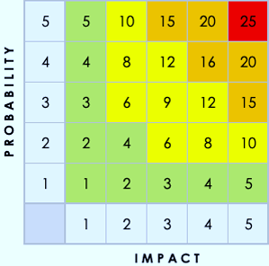
AGILE RISK REGISTER

PROJECT

PROJECT MANAGER

DATE OF LAST UPDATE

RISK ID NO. | RISK CLASS | RISK DESCRIPTION | IMPACT DESCRIPTION | IMPACT LEVEL | PROBABILITY LEVEL | PRIORITY LEVEL | MITIGATION STRATEGY | ACTION | OWNER | REASSESSMENT DATE | KEYS
 | Choose from the drop-down menu. | give a brief summary of the risk. | What will happen if the risk is not mitigated or eliminated? | Rate 1 (LOW) to 5 (HIGH) | Rate 1 (LOW) to 5 (HIGH) | (IMPACT X PROBABILITY) Address the highest first. | What can be done to lower or eliminate the impact or probability? | Choose from the drop-down menu. | Who's responsible? | 00/00/0000 | RISK CLASS | LEVEL | ACTION
 |  |  |  |  |  |  |  |  |  |  | Solution | 1 | Avoid
 |  |  |  |  |  |  |  |  |  |  | Timeline | 2 | Exploit
 |  |  |  |  |  |  |  |  |  |  | Budget | 3 | Transfer / Share
 |  |  |  |  |  |  |  |  |  |  | Legislative | 4 | Mitigate
 |  |  |  |  |  |  |  |  |  |  | Security | 5 | Accept with No Action
 |  |  |  |  |  |  |  |  |  |  | Resources
 |  |  |  |  |  |  |  |  |  |  | Scope

