Event Budget
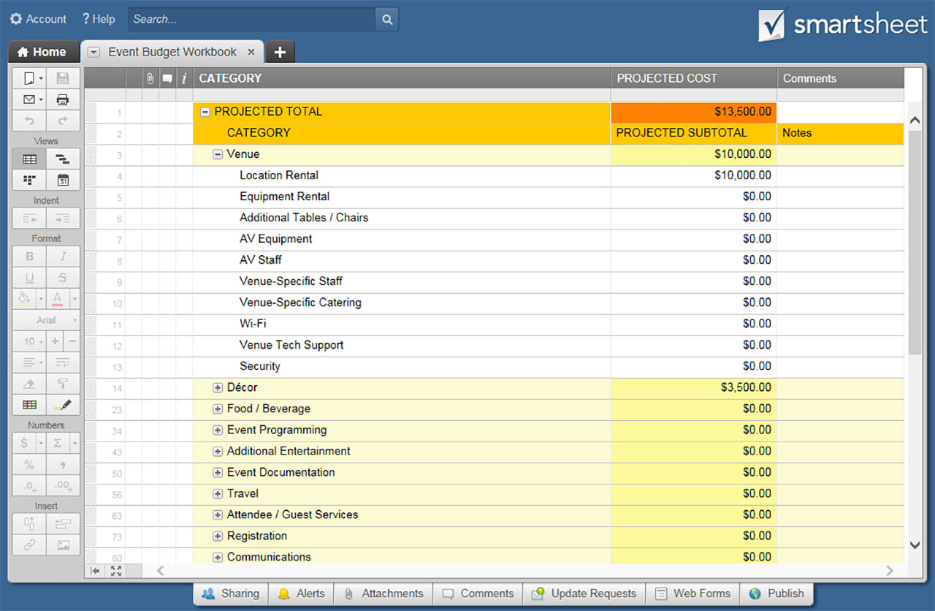
EVENT BUDGET
Projected Subtotal to Date: | $9,500.00
Actual Subtotal to Date: | $7,830.00
CATEGORY |  | PROJECTED SUBTOTAL | ACTUAL SUBTOTAL | COMMENTS
Venue | $1,500.00 | 16%
Travel | $1,600.00 | 17%
Public Relations | $1,250.00 | 13%
Décor | $300.00 | 3%
Event Programming | $2,000.00 | 21%
Social Media | $350.00 | 4%
Advertising | $1,400.00 | 15%
Refreshments | $500.00 | 5%
Other | $600.00 | 6%
Venue | SUBTOTALS | $1,500.00 | $1,200.00
Location Rental |  | $1,500.00 | $1,200.00
Event Staff
Equipment Rental
Additional Tables / Chairs
AV

Travel | SUBTOTALS | $1,600.00 | $1,800.00
Flight / Driving |  | $1,600.00 | $1,800.00
Lodging
Per Diem

Public Relations | SUBTOTALS | $1,250.00 | $950.00
Announcements |  | $400.00 | $300.00
Graphics |  | $600.00 | $400.00
Press Releases |  | $250.00 | $250.00

Décor | SUBTOTALS | $300.00 | $280.00
Linens |  | $300.00 | $280.00
Lighting
Additional Signage

Event Programming | SUBTOTALS | $2,000.00 | $1,800.00
Speakers |  | $1,500.00 | $1,300.00
Performers |  | $500.00 | $500.00
Video Production
Presentation Graphics

PROJECTED vs. ACTUAL
 | Projected | Actual
Venue | $1,500.00 | $1,200.00
Travel | $1,600.00 | $1,800.00
Public Relations | $1,250.00 | $950.00
Décor | $300.00 | $280.00
Event Programming | $2,000.00 | $1,800.00
Social Media | $350.00 | $350.00
Advertising | $1,400.00 | $500.00
Refreshments | $500.00 | $500.00
Other | $600.00 | $450.00
Social Media | SUBTOTALS | $350.00 | $350.00
Twitter |  | $50.00 | $50.00
Facebook |  | $50.00 | $50.00
Pinterest |  | $50.00 | $50.00
Instagram |  | $50.00 | $50.00
Google+ |  | $50.00 | $50.00
LinkedIn |  | $50.00 | $50.00
Snapchat |  | $50.00 | $50.00

Advertising | SUBTOTALS | $1,400.00 | $500.00
Online |  | $400.00 | $300.00
Print |  | $1,000.00 | $200.00
Outdoor
Radio
Television

Refreshments | SUBTOTALS | $500.00 | $500.00
Drinks |  | $180.00 | $200.00
Food |  | $320.00 | $300.00
Catering Staff

Other | SUBTOTALS | $600.00 | $450.00
Gift Bags |  | $600.00 | $450.00
Pens
Notebooks
Packet Printing

CLICK HERE TO CREATE EVENT BUDGET TEMPLATES IN SMARTSHEET

Event Revenue
EVENT REVENUE
Projected Subtotal to date: | $63,800.00
Actual Subtotal to date: | $65,725.00
CATEGORY |  | QUANTITY |  | COST | PROJECTED SUBTOTAL |  | ACTUAL SUBTOTAL |  | COMMENTS
Vendors |  | PROJECTED | ACTUAL |  | SUBTOTAL | $23,350.00 | SUBTOTAL | $24,200.00
PROJECTED vs. ACTUAL
 | Projected | Actual
Vendors | $23,350.00 | $24,200.00
Sponsor / Partnerships | $7,400.00 | $8,600.00
Program Ads | $15,800.00 | $16,050.00
Ticket Sales | $11,500.00 | $13,325.00
Product Sales | $3,750.00 | $2,950.00
Other | $2,000.00 | $600.00
Entrance Kiosk |  | 1 | 1 | $800.00 | $800.00 |  | $800.00
Exit Kiosk |  | 1 | 1 | $800.00 | $800.00 |  | $800.00
Space - Large |  | 15 | 14 | $650.00 | $9,750.00 |  | $9,100.00
Space - Medium |  | 20 | 20 | $450.00 | $9,000.00 |  | $9,000.00
Space - Small |  | 10 | 15 | $300.00 | $3,000.00 |  | $4,500.00
 |  |  |  |  | $- |  | $-
 |  |  |  |  | $- |  | $-
Sponsor / Partnerships |  | PROJECTED | ACTUAL |  | SUBTOTAL | $7,400.00 | SUBTOTAL | $8,600.00
Named Sponsor |  | 1 | 1 | $5,000.00 | $5,000.00 |  | $5,000.00
Featured Vendor |  | 2 | 3 | $1,200.00 | $2,400.00 |  | $3,600.00
 |  |  |  |  | $- |  | $-
 |  |  |  |  | $- |  | $-
Program Ads |  | PROJECTED | ACTUAL |  | SUBTOTAL | $15,800.00 | SUBTOTAL | $16,050.00
Front Cover |  | 1 | 1 | $800.00 | $800.00 |  | $800.00
Back Cover |  | 1 | 1 | $750.00 | $750.00 |  | $750.00
Full Page |  | 25 | 20 | $250.00 | $6,250.00 |  | $5,000.00
Half Page |  | 50 | 60 | $150.00 | $7,500.00 |  | $9,000.00
Centerfold |  | 1 | 1 | $500.00 | $500.00 |  | $500.00
 |  |  |  |  | $- |  | $-
 |  |  |  |  | $- |  | $-
Ticket Sales |  | PROJECTED | ACTUAL |  | SUBTOTAL | $11,500.00 | SUBTOTAL | $13,325.00
Adult |  | 500 | 600 | $15.00 | $7,500.00 |  | $9,000.00
Senior |  | 300 | 350 | $10.00 | $3,000.00 |  | $3,500.00
Child |  | 200 | 165 | $5.00 | $1,000.00 |  | $825.00
 |  |  |  |  | $- |  | $-
Product Sales |  | PROJECTED | ACTUAL |  | SUBTOTAL | $3,750.00 | SUBTOTAL | $2,950.00
Product 1 |  | 100 | 50 | $15.00 | $1,500.00 |  | $750.00
Product 2 |  | 100 | 110 | $10.00 | $1,000.00 |  | $1,100.00
Product 3 |  | 100 | 88 | $12.50 | $1,250.00 |  | $1,100.00
 |  |  |  |  | $- |  | $-
 |  |  |  |  | $- |  | $-
 |  |  |  |  | $- |  | $-
Other |  | PROJECTED | ACTUAL |  | SUBTOTAL | $2,000.00 | SUBTOTAL | $600.00
Other |  | 100 | 30 | $20.00 | $2,000.00 |  | $600.00
 |  |  |  |  | $- |  | $-
 |  |  |  |  | $- |  | $-
 |  |  |  |  | $- |  | $-
 |  |  |  |  | $- |  | $-
 |  |  |  |  | $- |  | $-
 |  |  |  |  | $- |  | $-
 |  |  |  |  | $- |  | $-

Event Profit Summary
EVENT REVENUE

BUDGET / REVENUE TOTALS
 | PROJECTED | ACTUAL
TOTAL BUDGET | $9,500.00 | $7,830.00
TOTAL REVENUE | $63,800.00 | $65,725.00

PROFIT TOTALS
 | PROJECTED | ACTUAL
TOTALS | $54,300.00 | $57,895.00

PROFIT vs. LOSS
 | Projected | Actual
TOTAL BUDGET | $9,500.00 | $7,830.00
TOTAL REVENUE | $63,800.00 | $65,725.00

