Event Budget Workbook
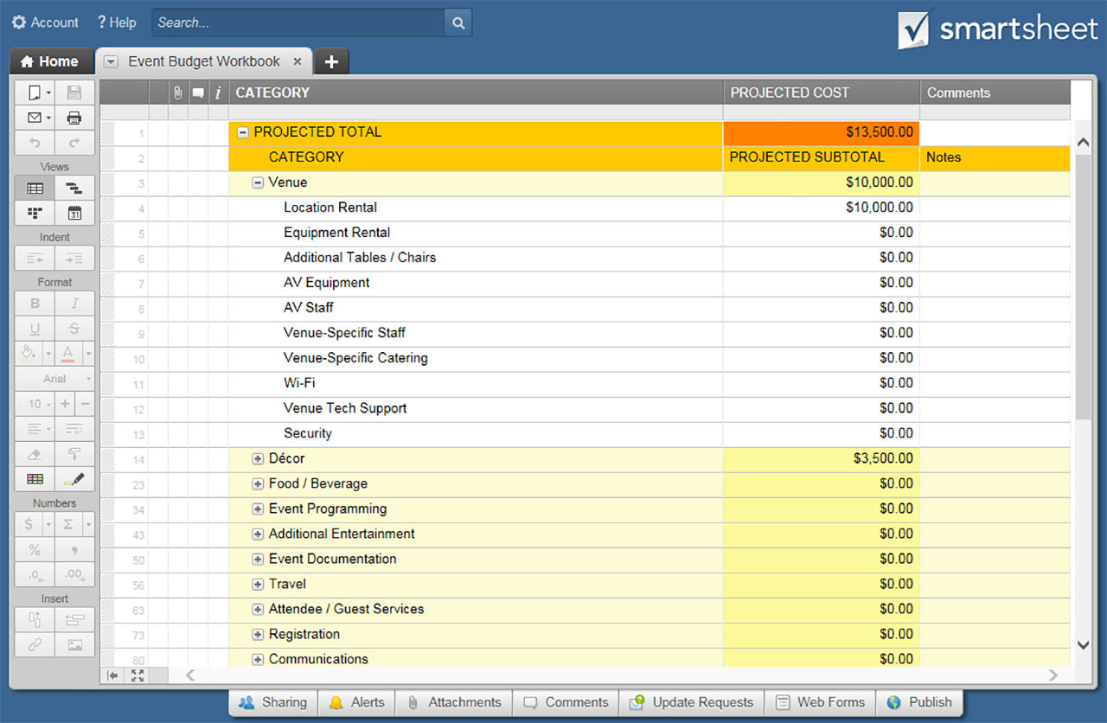
EVENT BUDGET WORKBOOK

 | PROJECTED TOTAL | $-

CATEGORY |  | PROJECTED SUBTOTAL
Venue | SUBTOTAL | $-
Location Rental
Equipment Rental
Additional Tables / Chairs
AV Equipment
AV Staff
Venue-Specific Staff
Venue-Specific Catering
Wi-Fi
Venue Tech Support
Security

Décor | SUBTOTAL | $-
Linens
Lighting
Additional Signage
Additional Furniture
Additional Decorative Items

Food / Beverage | SUBTOTAL | $-
Food
Beverage
Catering Staff
Bar
Additional Bar Staff
Additional Coffee Cart
Take-Away Food / Beverage

Event Programming | SUBTOTAL | $-
Speakers
Performers
Video Production
Presentation Graphics
Interpreters

Additional Entertainment | SUBTOTAL | $-
Music / DJ
Gaming Rentals
Additional Rentals

Event Documentation | SUBTOTAL | $-
Photographer
Videographer

Travel | SUBTOTAL | $-
Flight / Driving
Lodging
Per Diem

Attendee / Guest Services | SUBTOTAL | $-
Transportation
Accommodation
Storage
Charging Stations
Swag
Giveaways

Registration | SUBTOTAL | $-
Software
ID Production
Signage

Communications | SUBTOTAL | $-
Mobile App
Printing / Fabrication
Additional Signage
Packets
Flyers
Maps
Schedules
Event Materials

Public Relations | SUBTOTAL | $-
Announcements
Graphics
Press Releases

Marketing | SUBTOTAL | $-
Email Marketing
Surveys
Video Production
Photography
Design
Printing
Postage / Shipping

Social Media | SUBTOTAL | $-
Twitter
Facebook
Pinterest
Instagram
Google+
LinkedIn
Snapchat

Advertising | SUBTOTAL | $-
Online
Print
Outdoor
Radio
Television
Postage / Shipping

Sponsors | SUBTOTAL | $-
Acquisition
Communication
Complimentary Passes / Tickets
Thank You Gifts

Logistics | SUBTOTAL | $-
Insurance
Contracts
Permits

Other | SUBTOTAL | $-

CLICK HERE TO CREATE EVENT BUDGET WORKBOOK TEMPLATES IN SMARTSHEET

