Party Budget
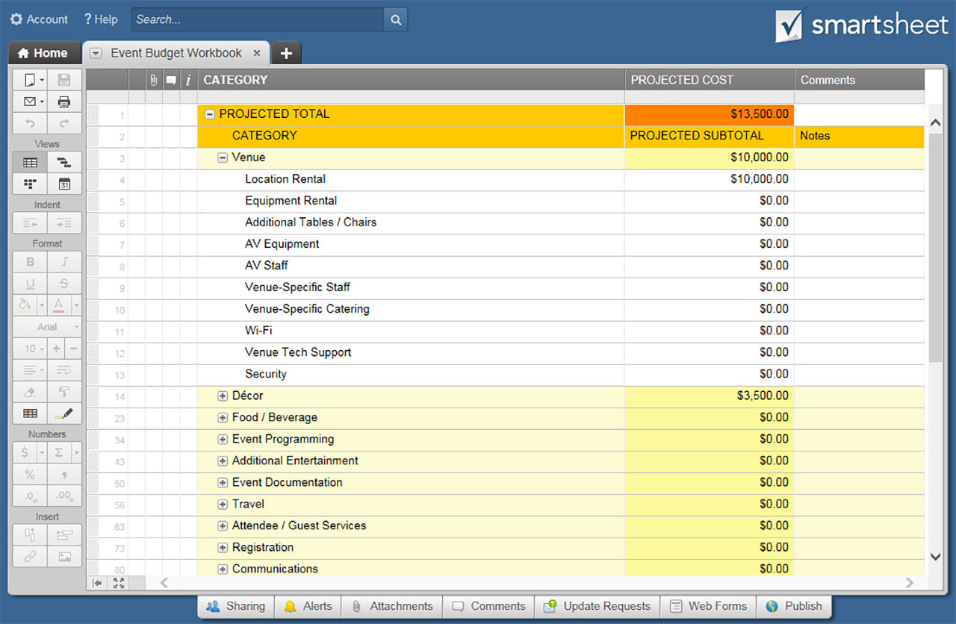
PARTY BUDGET TEMPLATE

PARTY NAME / EVENT TITLE
LOCATION |  | DATE(S)

ADDITIONAL INFO

PARTY BUDGET SUMMARY
CATEGORY | % OF BUDGET | SUBTOTALS | BUDGET TOTAL
Venue | 20% | $100.00 | $2,500.00
Décor | 20% | $100.00
Food / Beverage | 10% | $50.00 | EXPENSE TOTAL
Entertainment | 10% | $50.00 | $500.00
Event Documentation | 10% | $50.00
Attendee / Guest Services | 10% | $50.00 | DIFFERENCE
Invitations | 10% | $50.00 | $2,000.00
Other | 10% | $50.00

CATEGORY |  | AMOUNT | COMMENTS
Venue | SUBTOTAL | $100.00
Location Rental |  | $0.00
Equipment Rental |  | $100.00
Additional Tables / Chairs |  | $0.00
AV Equipment |  | $0.00
AV Staff |  | $0.00
Venue-Specific Staff |  | $0.00
Venue-Specific Catering |  | $0.00
Security |  | $0.00
Set Up |  | $0.00
Clean Up |  | $0.00
 |  | $0.00
 |  | $0.00
 |  | $0.00
Décor | SUBTOTAL | $100.00
Linens |  | $0.00
China / Cutlery / Glassware |  | $100.00
Lighting |  | $0.00
Additional Signage |  | $0.00
Additional Furniture |  | $0.00
Additional Decorative Items |  | $0.00
 |  | $0.00
 |  | $0.00
 |  | $0.00
Food / Beverage | SUBTOTAL | $50.00
Food |  | $0.00
Beverage |  | $50.00
Cake |  | $0.00
Catering Staff |  | $0.00
Bar |  | $0.00
Additional Bar Staff |  | $0.00
Coffee Cart |  | $0.00
Takeaway Food / Beverage |  | $0.00
 |  | $0.00
 |  | $0.00
 |  | $0.00
Entertainment | SUBTOTAL | $50.00
Music / DJ |  | $0.00
Performers |  | $50.00
Gaming Rentals |  | $0.00
Additional Rentals |  | $0.00
Video Production |  | $0.00
Presentation Graphics |  | $0.00
 |  | $0.00
 |  | $0.00
 |  | $0.00
Event Documentation | SUBTOTAL | $50.00
Photographer |  | $0.00
Videographer |  | $50.00
 |  | $0.00
 |  | $0.00
 |  | $0.00
Attendee / Guest Services | SUBTOTAL | $50.00
Transportation |  | $0.00
Accommodation |  | $0.00
Storage |  | $50.00
Charging Stations |  | $0.00
Party Favors |  | $0.00
Giveaways |  | $0.00
 |  | $0.00
 |  | $0.00
 |  | $0.00
Invitations | SUBTOTAL | $50.00
Invitation / RSVP Printing |  | $0.00
Envelopes / Address Service |  | $50.00
Shipping / Postage |  | $0.00
Design |  | $0.00
Thank You Cards |  | $0.00
 |  | $0.00
 |  | $0.00
 |  | $0.00
Other | SUBTOTAL | $50.00
 |  | $0.00
 |  | $50.00
 |  | $0.00
 |  | $0.00
 |  | $0.00
 |  | $0.00
 |  | $0.00
 |  | $0.00
 |  | $0.00

CLICK HERE TO CREATE PARTY BUDGET TEMPLATES IN SMARTSHEET

