College Student Budget
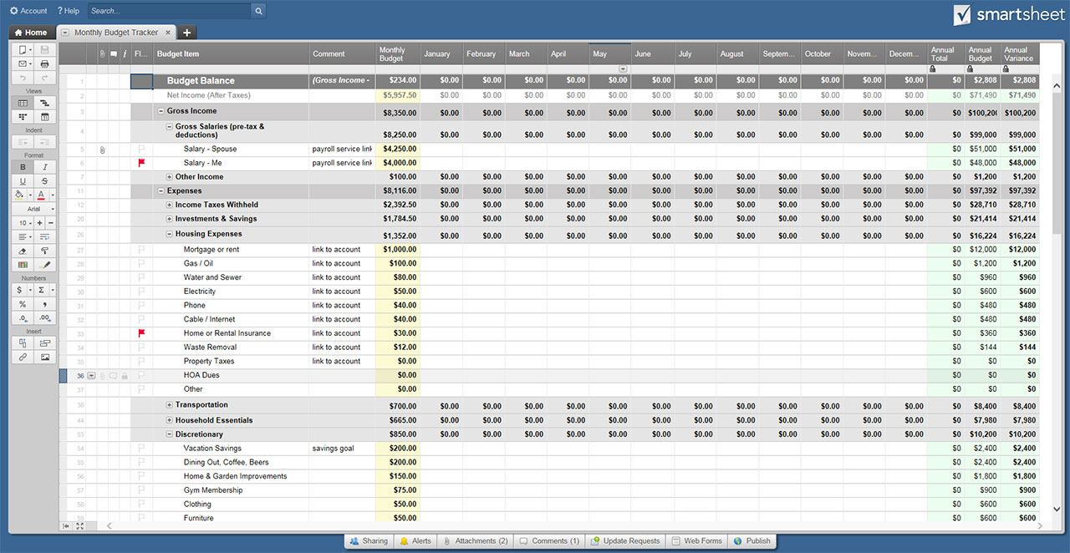
COLLEGE STUDENT BUDGET TEMPLATE

BUDGET OVERVIEW | SEMESTER 1 | SEMESTER 2 | SEMESTER 3 | SEMESTER 4 | SEMESTER 4

TOTAL INCOME | $1,800.00 | $1,700.00 | $- | $- | $3,500.00
TOTAL EXPENSES | $2,378.00 | $900.00 | $- | $- | $3,278.00

INCOME LESS EXPENSES | $(578.00) | $800.00 | $- | $- | $222.00

INCOME | SEMESTER 1 | SEMESTER 2 | SEMESTER 3 | SEMESTER 4

SALARY/WAGES | $350.00 | $350.00 | $- | $-
FROM PARENTS/GUARDIANS | $100.00 | $- | $- | $-
FROM STUDENT LOANS | $1,000.00 | $1,000.00 | $- | $-
FROM SCHOLARSHIPS | $- | $- | $- | $-
FROM GRANTS | $- | $- | $- | $-
FROM FINANCIAL AID | $350.00 | $350.00 | $- | $-
TRANSFER FROM SAVINGS | $- | $- | $- | $-
OTHER | $- | $- | $- | $-
OTHER | $- | $- | $- | $-
OTHER | $- | $- | $- | $-
OTHER | $- | $- | $- | $-

TOTAL | $1,800.00 | $1,700.00 | $- | $-

EXPENSES | SEMESTER 1 | SEMESTER 2 | SEMESTER 3 | SEMESTER 4
HOME & SCHOOL
Tuition | $750.00 | $750.00 | $- | $-
Fees (Class, Parking, Labs, Clubs, Etc.) | $25.00 | $- | $- | $-
Housing/Rent | $40.00 | $- | $- | $-
Food Plan | $44.00 | $- | $- | $-
Dorm/Room Furnishings | $20.00 | $- | $- | $-
Textbooks | $15.00 | $- | $- | $-
School Supplies | $- | $- | $- | $-
Internet | $29.00 | $- | $- | $-
Cell Phone | $- | $- | $- | $-
Other | $- | $- | $- | $-
Other | $- | $- | $- | $-
 | $923.00 | $750.00 | $- | $-
TRANSPORTATION
Car Payments | $250.00 | $- | $- | $-
Auto Insurance | $100.00 | $- | $- | $-
Fuel | $100.00 | $150.00 | $- | $-
Public Transporation | $- | $- | $- | $-
Repairs/Maintenance | $- | $- | $- | $-
Registration/License | $100.00 | $- | $- | $-
Other | $- | $- | $- | $-
Other | $- | $- | $- | $-
 | $550.00 | $150.00 | $- | $-
DAILY LIVING
Groceries | $250.00 | $- | $- | $-
Dining Out | $100.00 | $- | $- | $-
Clothing | $- | $- | $- | $-
Cleaning | $- | $- | $- | $-
Salon/Barber | $20.00 | $- | $- | $-
Other | $- | $- | $- | $-
Other | $- | $- | $- | $-
 | $370.00 | $- | $- | $-
ENTERTAINMENT
Video/DVD/Movies | $250.00 | $- | $- | $-
Concerts/Plays | $100.00 | $- | $- | $-
Sports | $100.00 | $- | $- | $-
Outdoor Recreation | $- | $- | $- | $-
Other | $- | $- | $- | $-
Other | $- | $- | $- | $-
 | $450.00 | $- | $- | $-
HEALTH
Student Health Insurance | $65.00 | $- | $- | $-
Gym Membership | $20.00 | $- | $- | $-
Doctors/Dentist Visits | $- | $- | $- | $-
Medicine/Prescriptions | $- | $- | $- | $-
Other | $- | $- | $- | $-
Other | $- | $- | $- | $-
 | $85.00 | $- | $- | $-

TOTAL | $2,378.00 | $900.00 | $- | $-

CLICK HERE TO CREATE COLLEGE STUDENT BUDGET TEMPLATES IN SMARTSHEET

