Business Expense BUDGET
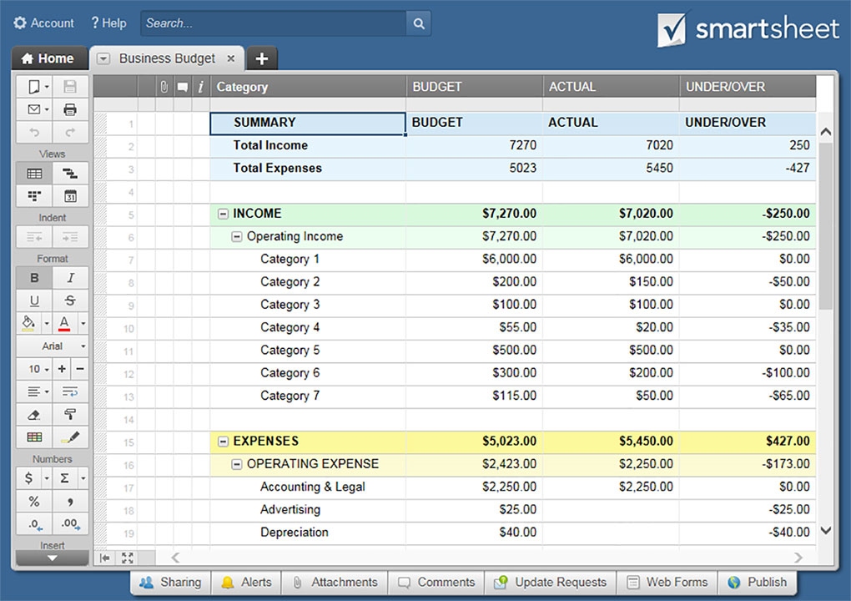
PROFESSIONAL BUSINESS BUDGET TEMPLATE
PROJECTED BUDGET EXPENSES
EXPENSES - EMPLOYMENT | JAN | FEB | MAR | APR | MAY | JUN | JUL | AUG | SEPT | OCT | NOV | DEC | YR TOTAL
PERMANENT
SALARIES/WAGES | $- | $- | $- | $- | $- | $- | $- | $- | $- | $- | $- | $- | $-
BONUS PAY | $- | $- | $- | $- | $- | $- | $- | $- | $- | $- | $- | $- | $-
INCREASES | $- | $- | $- | $- | $- | $- | $- | $- | $- | $- | $- | $- | $-
BENEFITS | $- | $- | $- | $- | $- | $- | $- | $- | $- | $- | $- | $- | $-
INSURANCE | $- | $- | $- | $- | $- | $- | $- | $- | $- | $- | $- | $- | $-
RECRUITMENT | $- | $- | $- | $- | $- | $- | $- | $- | $- | $- | $- | $- | $-
OTHER | $- | $- | $- | $- | $- | $- | $- | $- | $- | $- | $- | $- | $-
OTHER | $- | $- | $- | $- | $- | $- | $- | $- | $- | $- | $- | $- | $-
TOTAL PERMANENT EMPLOYMENT | $- | $- | $- | $- | $- | $- | $- | $- | $- | $- | $- | $- | $-
CASUAL
SALARIES/WAGES | $- | $- | $- | $- | $- | $- | $- | $- | $- | $- | $- | $- | $-
BONUS PAY | $- | $- | $- | $- | $- | $- | $- | $- | $- | $- | $- | $- | $-
INCREASES | $- | $- | $- | $- | $- | $- | $- | $- | $- | $- | $- | $- | $-
INSURANCE | $- | $- | $- | $- | $- | $- | $- | $- | $- | $- | $- | $- | $-
BENEFITS | $- | $- | $- | $- | $- | $- | $- | $- | $- | $- | $- | $- | $-
RECRUITMENT | $- | $- | $- | $- | $- | $- | $- | $- | $- | $- | $- | $- | $-
OTHER | $- | $- | $- | $- | $- | $- | $- | $- | $- | $- | $- | $- | $-
OTHER | $- | $- | $- | $- | $- | $- | $- | $- | $- | $- | $- | $- | $-
OTHER | $- | $- | $- | $- | $- | $- | $- | $- | $- | $- | $- | $- | $-
TOTAL CASUAL EMPLOYMENT | $- | $- | $- | $- | $- | $- | $- | $- | $- | $- | $- | $- | $-
TOTAL EXPENSES - EMPLOYMENT | $- | $- | $- | $- | $- | $- | $- | $- | $- | $- | $- | $- | $-

EXPENSES - OPERATIONAL | JAN | FEB | MAR | APR | MAY | JUN | JUL | AUG | SEPT | OCT | NOV | DEC | YR TOTAL
GENERAL/ADMIN
BANKING FEES | $- | $- | $- | $- | $- | $- | $- | $- | $- | $- | $- | $- | $-
CONSULT FEES | $- | $- | $- | $- | $- | $- | $- | $- | $- | $- | $- | $- | $-
OFFICE SUPPLIES | $- | $- | $- | $- | $- | $- | $- | $- | $- | $- | $- | $- | $-
LICENSE FEES | $- | $- | $- | $- | $- | $- | $- | $- | $- | $- | $- | $- | $-
BUSINESS INSURANCE | $- | $- | $- | $- | $- | $- | $- | $- | $- | $- | $- | $- | $-
OTHER | $- | $- | $- | $- | $- | $- | $- | $- | $- | $- | $- | $- | $-
OTHER | $- | $- | $- | $- | $- | $- | $- | $- | $- | $- | $- | $- | $-
OTHER | $- | $- | $- | $- | $- | $- | $- | $- | $- | $- | $- | $- | $-
TOTAL GENERAL/ADMIN | $- | $- | $- | $- | $- | $- | $- | $- | $- | $- | $- | $- | $-
OPERATIONS
TRAVEL | $- | $- | $- | $- | $- | $- | $- | $- | $- | $- | $- | $- | $-
LAUNDRY | $- | $- | $- | $- | $- | $- | $- | $- | $- | $- | $- | $- | $-
TRANSPORTATION | $- | $- | $- | $- | $- | $- | $- | $- | $- | $- | $- | $- | $-
CLEANING SERVICES & SUPPLIES | $- | $- | $- | $- | $- | $- | $- | $- | $- | $- | $- | $- | $-
SUBSCRIPTIONS | $- | $- | $- | $- | $- | $- | $- | $- | $- | $- | $- | $- | $-
KITCHENETTE/COFFEE/SNACKS | $- | $- | $- | $- | $- | $- | $- | $- | $- | $- | $- | $- | $-
KITCHENETTE EQUIPMENT | $- | $- | $- | $- | $- | $- | $- | $- | $- | $- | $- | $- | $-
OTHER | $- | $- | $- | $- | $- | $- | $- | $- | $- | $- | $- | $- | $-
OTHER | $- | $- | $- | $- | $- | $- | $- | $- | $- | $- | $- | $- | $-
OTHER | $- | $- | $- | $- | $- | $- | $- | $- | $- | $- | $- | $- | $-
TOTAL OPERATIONS | $- | $- | $- | $- | $- | $- | $- | $- | $- | $- | $- | $- | $-
MARKETING/PROMO
ADVERTISING | $- | $- | $- | $- | $- | $- | $- | $- | $- | $- | $- | $- | $-
PROMO | $- | $- | $- | $- | $- | $- | $- | $- | $- | $- | $- | $- | $-
OTHER | $- | $- | $- | $- | $- | $- | $- | $- | $- | $- | $- | $- | $-
OTHER | $- | $- | $- | $- | $- | $- | $- | $- | $- | $- | $- | $- | $-
OTHER | $- | $- | $- | $- | $- | $- | $- | $- | $- | $- | $- | $- | $-
TOTAL MARKETING/PROMO | $- | $- | $- | $- | $- | $- | $- | $- | $- | $- | $- | $- | $-
WEBSITE/MOBILE APP
DOMAIN | $- | $- | $- | $- | $- | $- | $- | $- | $- | $- | $- | $- | $-
HOSTING | $- | $- | $- | $- | $- | $- | $- | $- | $- | $- | $- | $- | $-
OTHER | $- | $- | $- | $- | $- | $- | $- | $- | $- | $- | $- | $- | $-
OTHER | $- | $- | $- | $- | $- | $- | $- | $- | $- | $- | $- | $- | $-
OTHER | $- | $- | $- | $- | $- | $- | $- | $- | $- | $- | $- | $- | $-
TOTAL WEBSITE/MOBILE APP | $- | $- | $- | $- | $- | $- | $- | $- | $- | $- | $- | $- | $-
OCCUPANCY
RENT/LEASE | $- | $- | $- | $- | $- | $- | $- | $- | $- | $- | $- | $- | $-
PHONE | $- | $- | $- | $- | $- | $- | $- | $- | $- | $- | $- | $- | $-
INTERNET | $- | $- | $- | $- | $- | $- | $- | $- | $- | $- | $- | $- | $-
ELECTRIC | $- | $- | $- | $- | $- | $- | $- | $- | $- | $- | $- | $- | $-
GAS | $- | $- | $- | $- | $- | $- | $- | $- | $- | $- | $- | $- | $-
WATER/SEWAGE | $- | $- | $- | $- | $- | $- | $- | $- | $- | $- | $- | $- | $-
WASTE REMOVAL | $- | $- | $- | $- | $- | $- | $- | $- | $- | $- | $- | $- | $-
RECYCLING/SHREDDING | $- | $- | $- | $- | $- | $- | $- | $- | $- | $- | $- | $- | $-
REPAIR/MAINTENANCE | $- | $- | $- | $- | $- | $- | $- | $- | $- | $- | $- | $- | $-
PROPERTY INSURANCE | $- | $- | $- | $- | $- | $- | $- | $- | $- | $- | $- | $- | $-
SECURITY | $- | $- | $- | $- | $- | $- | $- | $- | $- | $- | $- | $- | $-
OTHER | $- | $- | $- | $- | $- | $- | $- | $- | $- | $- | $- | $- | $-
OTHER | $- | $- | $- | $- | $- | $- | $- | $- | $- | $- | $- | $- | $-
OTHER | $- | $- | $- | $- | $- | $- | $- | $- | $- | $- | $- | $- | $-
TOTAL OCCUPANCY | $- | $- | $- | $- | $- | $- | $- | $- | $- | $- | $- | $- | $-
AUTOMOTIVE
FUEL | $- | $- | $- | $- | $- | $- | $- | $- | $- | $- | $- | $- | $-
SERVICE | $- | $- | $- | $- | $- | $- | $- | $- | $- | $- | $- | $- | $-
PARTS/MAINTENANCE | $- | $- | $- | $- | $- | $- | $- | $- | $- | $- | $- | $- | $-
INSURANCE | $- | $- | $- | $- | $- | $- | $- | $- | $- | $- | $- | $- | $-
REGISTRATION | $- | $- | $- | $- | $- | $- | $- | $- | $- | $- | $- | $- | $-
OTHER | $- | $- | $- | $- | $- | $- | $- | $- | $- | $- | $- | $- | $-
OTHER | $- | $- | $- | $- | $- | $- | $- | $- | $- | $- | $- | $- | $-
OTHER | $- | $- | $- | $- | $- | $- | $- | $- | $- | $- | $- | $- | $-
TOTAL AUTOMOTIVE | $- | $- | $- | $- | $- | $- | $- | $- | $- | $- | $- | $- | $-
ADDITIONAL
OTHER | $- | $- | $- | $- | $- | $- | $- | $- | $- | $- | $- | $- | $-
OTHER | $- | $- | $- | $- | $- | $- | $- | $- | $- | $- | $- | $- | $-
OTHER | $- | $- | $- | $- | $- | $- | $- | $- | $- | $- | $- | $- | $-
OTHER | $- | $- | $- | $- | $- | $- | $- | $- | $- | $- | $- | $- | $-
OTHER | $- | $- | $- | $- | $- | $- | $- | $- | $- | $- | $- | $- | $-
OTHER | $- | $- | $- | $- | $- | $- | $- | $- | $- | $- | $- | $- | $-
OTHER | $- | $- | $- | $- | $- | $- | $- | $- | $- | $- | $- | $- | $-
OTHER | $- | $- | $- | $- | $- | $- | $- | $- | $- | $- | $- | $- | $-
TOTAL ADDITIONAL | $- | $- | $- | $- | $- | $- | $- | $- | $- | $- | $- | $- | $-
TOTAL EXPENSES - OPERATIONAL | $- | $- | $- | $- | $- | $- | $- | $- | $- | $- | $- | $- | $-

TOTAL EXPENSES | $- | $- | $- | $- | $- | $- | $- | $- | $- | $- | $- | $- | $-
YEAR-TO-DATE TOTAL EXPENSES | $- | $- | $- | $- | $- | $- | $- | $- | $- | $- | $- | $-

CLICK HERE TO CREATE PROFESSIONAL BUSINESS BUDGET TEMPLATES IN SMARTSHEET

Business Expense ANALYSIS
ACTUAL
PROFESSIONAL BUSINESS BUDGET TEMPLATE
ANALYSIS | All calculations are performed automatically. Charts will populate and evolve based upon data entered on BUDGET and ACTUAL sheets.
CATEGORY | BUDGET | ACTUAL | VARIANCES | % OF VARIANCE
EMPLOYMENT - PERMANENT | $- | $- | $- | #DIV/0!
EMPLOYMENT - CASUAL | $- | $- | $- | #DIV/0!
GENERAL/ADMIN | $- | $- | $- | #DIV/0!
OPERATIONS | $- | $- | $- | #DIV/0!
MARKETING/PROMO | $- | $- | $- | #DIV/0!
WEBSITE/MOBILE APP | $- | $- | $- | #DIV/0!
OCCUPANCY | $- | $- | $- | #DIV/0!
AUTOMOTIVE | $- | $- | $- | #DIV/0!
ADDITIONAL | $- | $- | $- | #DIV/0!
TOTALS | $- | $- | $- | #DIV/0!

EXPENSE OVERVIEW | JAN | FEB | MAR | APR | MAY | JUN | JUL | AUG | SEPT | OCT | NOV | DEC | YR TOTAL
TOTAL EXPENSES | $- | $- | $- | $- | $- | $- | $- | $- | $- | $- | $- | $- | $-
TOTAL ACTUAL EXPENSES | $- | $- | $- | $- | $- | $- | $- | $- | $- | $- | $- | $- | $-
TOTAL VARIANCES | $- | $- | $- | $- | $- | $- | $- | $- | $- | $- | $- | $- | $-

 | CLICK HERE TO CREATE BUSINESS BUDGET TEMPLATES IN SMARTSHEET

