Start-Up Budget Template
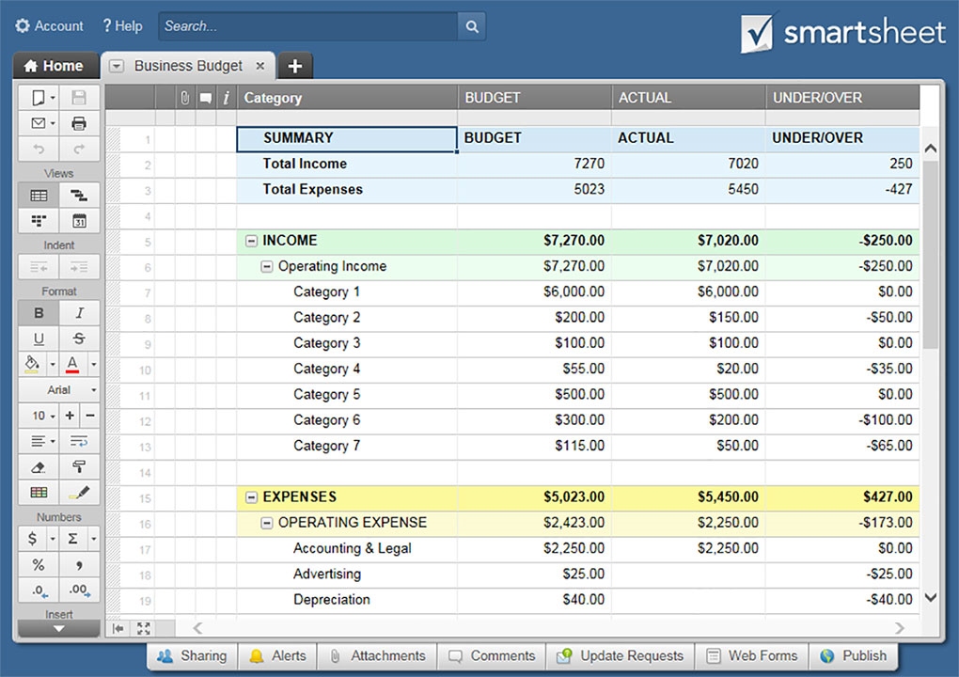
START-UP BUDGET TEMPLATE
 |  |  |  |  |  |  |  |  | PROJECTED AVERAGE MONTHLY COSTS
START-UP BUDGET OVERVIEW | BUDGET | ACTUAL | UNDER/OVER | EXPENSES | DATE DUE | BUDGET | ACTUAL | UNDER/OVER | START-UP BUDGET OVERVIEW | BUDGET | ACTUAL | UNDER/OVER
EXPENSES |  |  |  | ADMINISTRATIVE/GENERAL |  |  |  |  | EXPENSES
ADMINISTRATIVE/GENERAL | $- | $- | $- | LICENSES |  | $- | $- | $- | ITEM 1 | $- | $- | $-
LOCATION/OFFICE | $- | $- | $- | PERMITS |  | $- | $- | $- | ITEM 2 | $- | $- | $-
MARKETING | $- | $- | $- | INSURANCE |  | $- | $- | $- | ITEM 3 | $- | $- | $-
PRE-LAUNCH LABOR EXPENSES | $- | $- | $- | LEGAL |  | $- | $- | $- | ITEM 4 | $- | $- | $-
OTHER | $- | $- | $- | FRANCHISING |  | $- | $- | $- | ITEM 5 | $- | $- | $-
 | $- | $- |  | OTHER |  | $- | $- | $- | ITEM 6 | $- | $- | $-
FUNDING |  |  |  | OTHER |  | $- | $- | $- | ITEM 7 | $- | $- | $-
INVESTORS | $- | $- | $- | OTHER |  | $- | $- | $- | ITEM 8 | $- | $- | $-
LOANS | $- | $- | $- |  |  | $- | $- |  | ITEM 9 | $- | $- | $-
ADDITIONAL FUNDING | $- | $- | $- | LOCATION/OFFICE |  |  |  |  | ITEM 10 | $- | $- | $-
 | $- | $- |  | SPACE RENTAL/LEASE |  |  |  | $- | ITEM 11 | $- | $- | $-
 |  |  |  | INTERNET SET-UP |  | $- | $- | $- | ITEM 12 | $- | $- | $-
FUNDING LESS EXPENSES | $- | $- | $- | TELEPHONE SET-UP |  | $- | $- | $- | ITEM 13 | $- | $- | $-
 |  |  |  | FURNITURE |  | $- | $- | $- | ITEM 14 | $- | $- | $-
START-UP FUNDING | BUDGET | ACTUAL | UNDER/OVER | EQUIPMENT |  | $- | $- | $- | ITEM 15 | $- | $- | $-
INVESTORS |  |  |  | HARDWARE |  | $- | $- | $- | ITEM 16 | $- | $- | $-
OWNER 1 | $- | $- | $- | SOFTWARE |  | $- | $- | $- | ITEM 17 | $- | $- | $-
OWNER 2 | $- | $- | $- | INSTALLATION FEES |  | $- | $- | $- | ITEM 18 | $- | $- | $-
OWNER 3 | $- | $- | $- | INVENTORY |  | $- | $- | $- | ITEM 19 | $- | $- | $-
OTHER | $- | $- | $- | SECURITY |  | $- | $- | $- | ITEM 20 | $- | $- | $-
 | $- | $- |  | STATIONERY/BUSINESS CARDS |  | $- | $- | $- | ITEM 21 | $- | $- | $-
LOANS |  |  |  | OTHER |  | $- | $- | $- | ITEM 22 | $- | $- | $-
BANK LOAN | $- | $- | $- | OTHER |  | $- | $- | $- | ITEM 23 | $- | $- | $-
NON-BANK LOAN | $- | $- | $- | OTHER |  | $- | $- | $- | ITEM 24 | $- | $- | $-
OTHER | $- | $- | $- |  |  | $- | $- |  | ITEM 25 | $- | $- | $-
 | $- | $- |  | MARKETING |  |  |  |  | ITEM 26 | $- | $- | $-
ADDITIONAL FUNDING |  |  |  | LOGO DESIGN |  | $- | $- | $- | ITEM 27 | $- | $- | $-
GRANT | $- | $- | $- | BRANDING/IDENTITY DEV. |  | $- | $- |  | ITEM 28 | $- | $- | $-
OTHER | $- | $- | $- | LAUNCH ADVERTISING |  | $- | $- | $- | ITEM 29 | $- | $- | $-
OTHER | $- | $- | $- | WEBSITE v.1.0 |  | $- | $- | $- | ITEM 30 | $- | $- | $-
 | $- | $- |  | PRINTED MARKETING PIECES |  | $- | $- | $- | ITEM 31 | $- | $- | $-
 |  |  |  | PROMO MATERIALS |  | $- | $- | $- | ITEM 32 | $- | $- | $-
TOTAL | $- | $- | $- | LISTING FEES |  | $- | $- | $- | ITEM 33 | $- | $- | $-
 |  |  |  | INTERNET MARKETING |  | $- | $- | $- | ITEM 34 | $- | $- | $-
 |  |  |  | OTHER |  | $- | $- | $- | ITEM 35 | $- | $- | $-
 |  |  |  | OTHER |  | $- | $- | $- | ITEM 36 | $- | $- | $-
 |  |  |  | OTHER |  | $- | $- | $-
 |  |  |  |  |  | $- | $- |  | TOTAL | $- | $- | $-
 |  |  |  | PRE-LAUNCH LABOR EXPENSES
 |  |  |  | JOB-LISTING FEES |  | $- | $- | $-
 |  |  |  | PLACEMENT AGENCY FEES |  | $- | $- | $-
 |  |  |  | TRAINING |  | $- | $- | $-
 |  |  |  | OTHER |  | $- | $- | $-
 |  |  |  | OTHER |  | $- | $- | $-
 |  |  |  | OTHER |  | $- | $- | $-
 |  |  |  |  |  | $- | $-
 |  |  |  | OTHER
 |  |  |  | CONTINGENCIES RESERVE |  | $- | $- | $-
 |  |  |  | LAUNCH PARTY |  | $- | $- | $-
 |  |  |  | OTHER |  | $- | $- | $-
 |  |  |  | OTHER |  | $- | $- | $-
 |  |  |  | OTHER |  | $- | $- | $-
 |  |  |  |  |  | $- | $-

 |  |  |  | TOTAL |  | $- | $- | $-

CLICK HERE TO CREATE START-UP BUDGET TEMPLATES IN SMARTSHEET

